Script
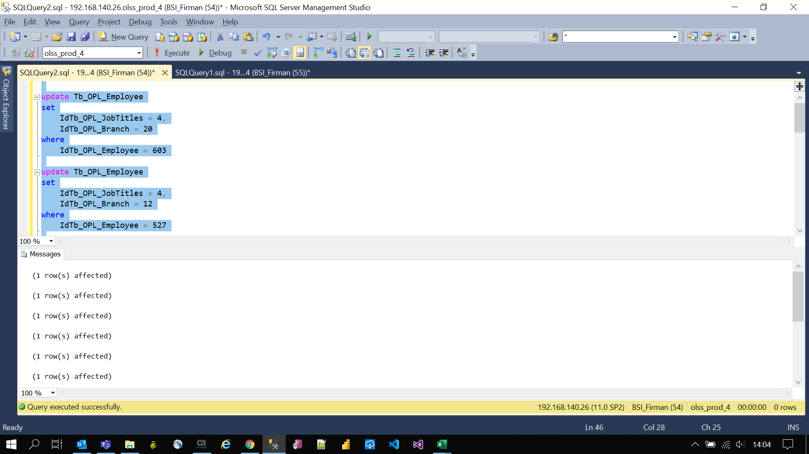
update Tb_OPL_Employee
set
 | IdTb_OPL_JobTitles = 4,
 | IdTb_OPL_Branch = 20
where
 | IdTb_OPL_Employee = 603

update Tb_OPL_Employee
set
 | IdTb_OPL_JobTitles = 4,
 | IdTb_OPL_Branch = 12
where
 | IdTb_OPL_Employee = 527

update UserBranch
set
 | IdTb_OPL_Branch = 12
where
 | IdTb_OPL_Employee = 527

update Tb_OPL_Employee
set
 | IdTb_OPL_JobTitles = 4,
 | IdTb_OPL_Branch = 31
where
 | IdTb_OPL_Employee = 27

update UserBranch
set
 | IdTb_OPL_Branch = 31
where
 | IdTb_OPL_Employee = 27

update Tb_OPL_Employee
set
 | IdTb_OPL_JobTitles = 4,
 | IdTb_OPL_Branch = 25
where
 | IdTb_OPL_Employee = 606

update Tb_OPL_Employee
set
 | IdTb_OPL_JobTitles = 69
where
 | IdTb_OPL_Employee = 119

